Sheet1
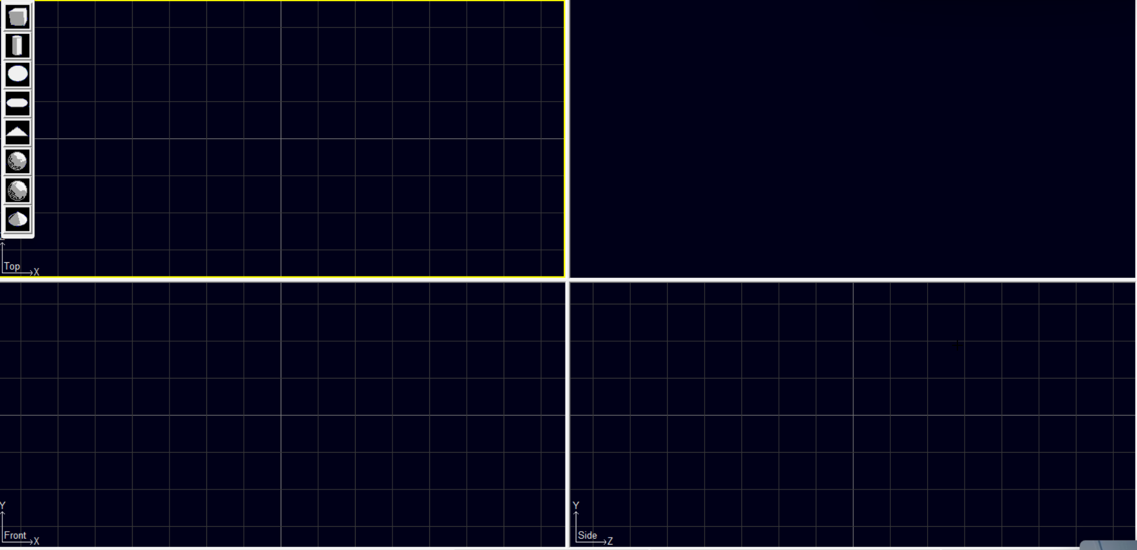
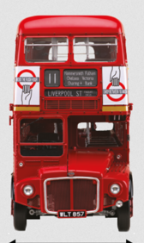
https://en.wikipedia.org/wiki/AEC_Routemaster

 | Dimensions
 | Length | 27 ft 6 in (8.38 m)
 |  | 30 ft 0 in (9.14 m)
 | Width | 8 ft (2.44 m)
 | Height | 14 ft 4+1⁄2 in (4.38 m)

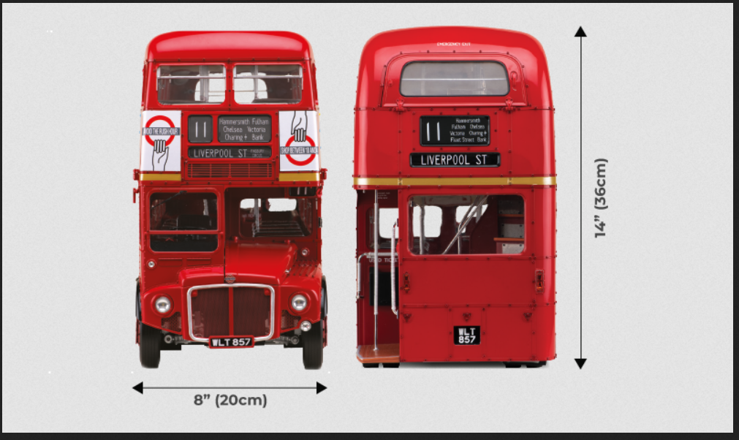

 |  |  | https://www.agoramodels.com/site/assets/files/7308/routemaster_hotspot2.png

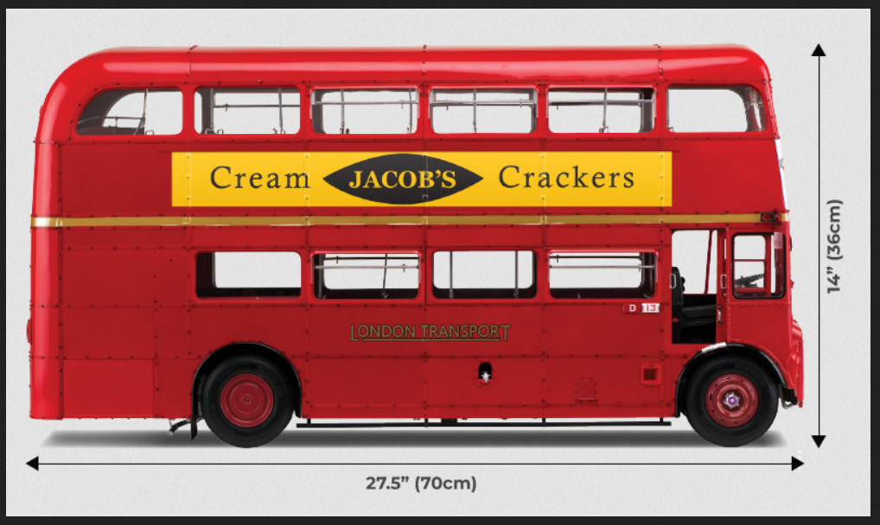

 |  |  | https://www.agoramodels.com/site/assets/files/7142/routemaster_hotspot1.png

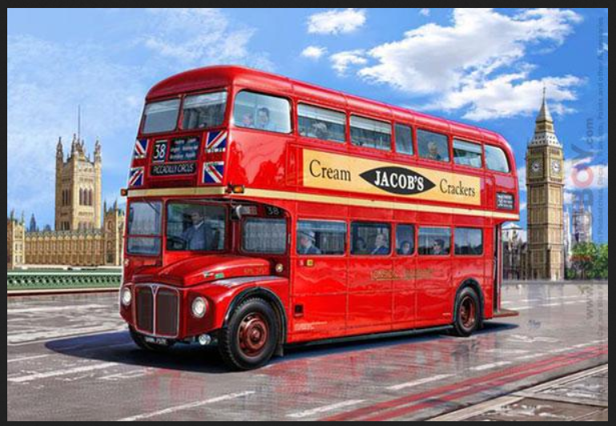

 |  |  | https://www.hiroboy.com/thumbnail/800x800/userfiles/images/sys/products/124_AEC_Routemaster_London_Bus__75126.jpeg

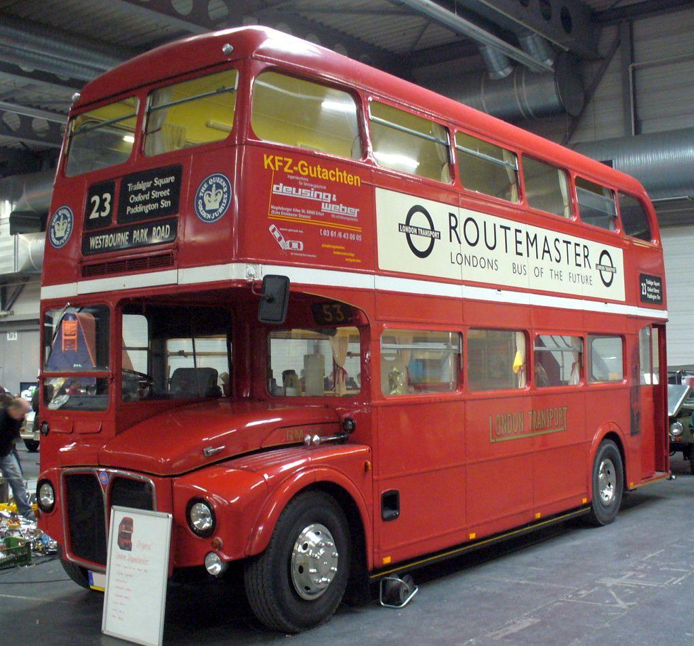
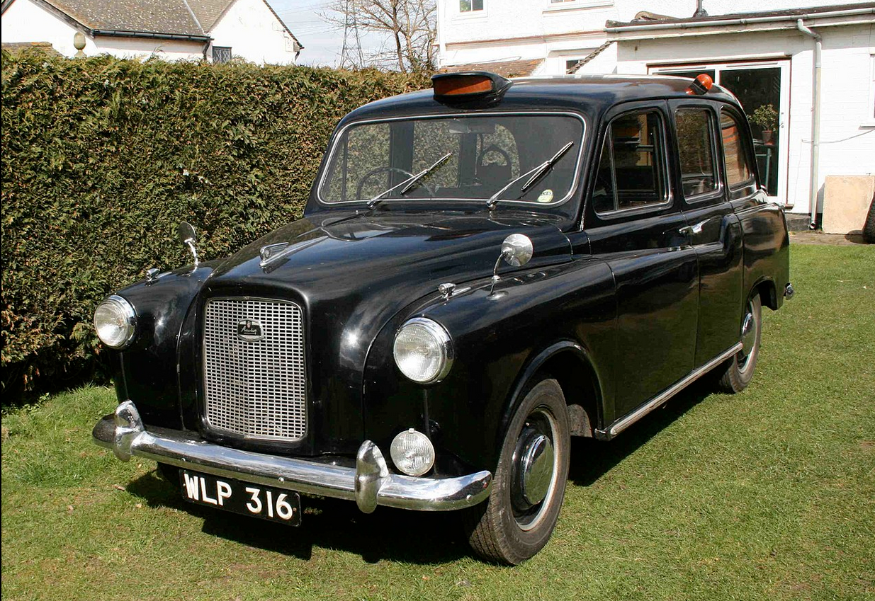

 |  |  | https://upload.wikimedia.org/wikipedia/commons/7/78/AEC_Routemaster.JPG

Shapes
Text

